Information
 | HESES21 Webinar - Blank HESES tables. The tables in this workbook can be completed using the exercise materials.

HESES21
Higher Education Students Early Statistics Survey 2021-22

 |  | Provider: | University of North East Ware
 |  | UKPRN: | 1000000Y
Workbook information
 |  | Date workbook submitted: | 2021-12-07 | HESES21 template version: X.X (Final version XX/XX/XX)
 |  | Submission number: | 3 | Template notes: These sample tables contain all of the worksheets needed to complete HESES21, but cannot be used as a valid submission.
 |  | Deadline: | 2021-12-10

 |  | Provider HESES contact: | Ms Sally Meone
 |  | Email: | s.o.meone@neware.ac.uk
 |  | Phone: | 0117-555-xxxx

 |  | Validation check: | No validation errors
 |  | First-stage credibility check: | No first-stage credibility warnings

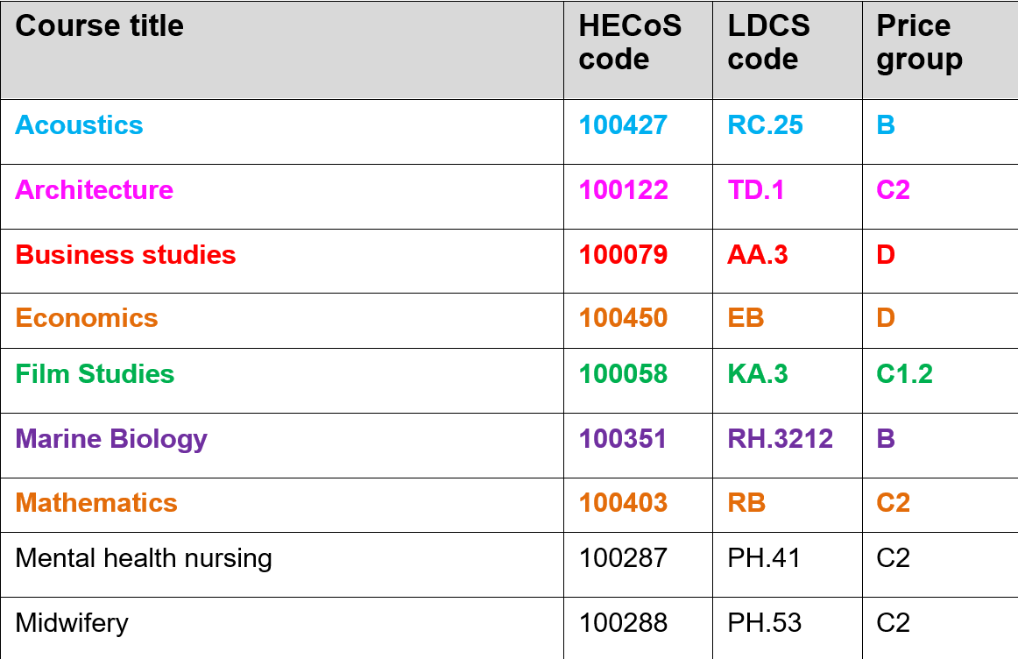
 | Entries for courses are colour coded:

